2nd page
2020 Trojan Basketball Designs
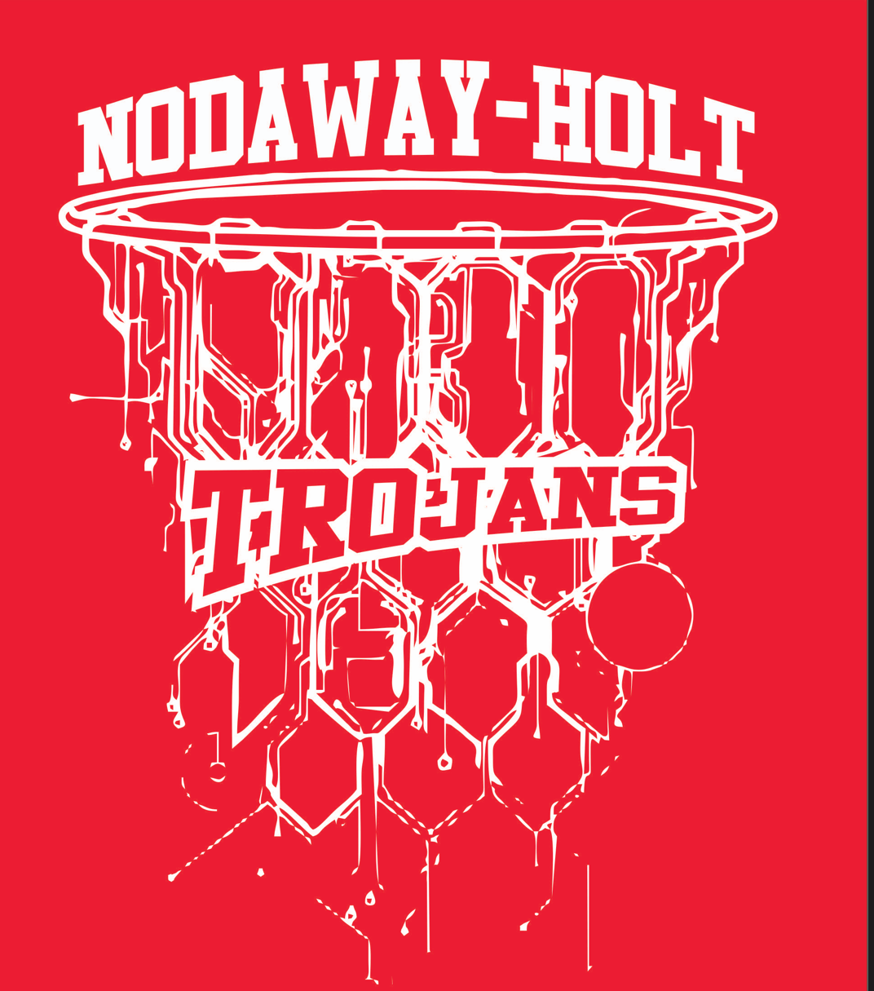

Sizes | YS | YM | YL | AS | AM | AL | AXL | 2XL | 3XL | 4XL | Total
T-Shirt red | QTY | QTY | QTY | QTY | QTY | QTY | QTY | QTY | QTY | QTY
T-shirt black | QTY | QTY | QTY | QTY | QTY | QTY | QTY | QTY | QTY | QTY
T-shirt dark gray | QTY | QTY | QTY | QTY | QTY | QTY | QTY | QTY | QTY | QTY
price each | $13 | $13 | $13 | $13 | $13 | $13 | $13 | $15 | $16 | $17

Sizes | YS | YM | YL | AS | AM | AL | AXL | 2XL | 3XL | 4XL | Total
Long sleeve red | QTY | QTY | QTY | QTY | QTY | QTY | QTY | QTY | QTY | QTY
Long sleeve black | QTY | QTY | QTY | QTY | QTY | QTY | QTY | QTY | QTY | QTY
Long Sleeve dark gray | QTY | QTY | QTY | QTY | QTY | QTY | QTY | QTY | QTY | QTY
price each | $18 | $18 | $18 | $18 | $18 | $18 | $18 | $20 | $21 | $22

Sizes | YS | YM | YL | AS | AM | AL | AXL | 2XL | 3XL | 4XL | Total
Crewneck red | QTY | QTY | QTY | QTY | QTY | QTY | QTY | QTY | QTY | QTY
Crewneck black | QTY | QTY | QTY | QTY | QTY | QTY | QTY | QTY | QTY | QTY
Crewneck dark gray | QTY | QTY | QTY | QTY | QTY | QTY | QTY | QTY | QTY | QTY
price each | $23 | $23 | $23 | $23 | $23 | $23 | $23 | $25 | $26 | $27

Sizes | XXX | XXX | YL | AS | AM | AL | AXL | 2XL | 3XL | 4XL | Total
Hoodie red | NA | NA | QTY | QTY | QTY | QTY | QTY | QTY | QTY | QTY
Hoodie black | NA | NA | QTY | QTY | QTY | QTY | QTY | QTY | QTY | QTY
Hoodie dark gray | NA | NA | QTY | QTY | QTY | QTY | QTY | QTY | QTY | QTY
price each | XXX | XXX | $30 | $30 | $30 | $30 | $30 | $32 | $34 | $35

Name $3________________________________ # $3___________ which item _____________________

Name $3________________________________ # $3___________ which item _____________________

 |  |  |  |  |  |  |  |  |  |  | Page 2

3rd page
2020 Trojan General Designs


Sizes | YS | YM | YL | AS | AM | AL | AXL | 2XL | 3XL | 4XL | Total
T-Shirt red | QTY | QTY | QTY | QTY | QTY | QTY | QTY | QTY | QTY | QTY
T-shirt black | QTY | QTY | QTY | QTY | QTY | QTY | QTY | QTY | QTY | QTY
T-shirt dark gray | QTY | QTY | QTY | QTY | QTY | QTY | QTY | QTY | QTY | QTY
price each | $15 | $15 | $15 | $15 | $15 | $15 | $15 | $17 | $18 | $19

Sizes | YS | YM | YL | AS | AM | AL | AXL | 2XL | 3XL | 4XL | Total
Long sleeve red | QTY | QTY | QTY | QTY | QTY | QTY | QTY | QTY | QTY | QTY
Long sleeve black | QTY | QTY | QTY | QTY | QTY | QTY | QTY | QTY | QTY | QTY
Long Sleeve dark gray | QTY | QTY | QTY | QTY | QTY | QTY | QTY | QTY | QTY | QTY
price each | $20 | $20 | $20 | $20 | $20 | $20 | $20 | $22 | $23 | $24

Sizes | YS | YM | YL | AS | AM | AL | AXL | 2XL | 3XL | 4XL | Total
Crewneck red | QTY | QTY | QTY | QTY | QTY | QTY | QTY | QTY | QTY | QTY
Crewneck black | QTY | QTY | QTY | QTY | QTY | QTY | QTY | QTY | QTY | QTY
Crewneck dark gray | QTY | QTY | QTY | QTY | QTY | QTY | QTY | QTY | QTY | QTY
price each | $25 | $25 | $25 | $25 | $25 | $25 | $25 | $27 | $28 | $29

Sizes | XXX | XXX | YL | AS | AM | AL | AXL | 2XL | 3XL | 4XL | Total
Hoodie red | NA | NA | QTY | QTY | QTY | QTY | QTY | QTY | QTY | QTY
Hoodie black | NA | NA | QTY | QTY | QTY | QTY | QTY | QTY | QTY | QTY
Hoodie dark gray | NA | NA | QTY | QTY | QTY | QTY | QTY | QTY | QTY | QTY
price each | XXX | XXX | $32 | $32 | $32 | $32 | $32 | $34 | $35 | $36

Name $3__________________________________ # $3____________ which item___________________

Name $3__________________________________ # $3____________ which item___________________
 |  |  |  |  |  |  |  |  |  |  | Page 3

Back page
Sweatpants and duffle bag

Will have Trojans going down 1 of the legs
 | Adults sizes with pockets execpt 3XL or large, youth sizes no pockets
Sizes | YS | YM | YL | AS | AM | AL | AXL | 2XL | 3XL | 4XL | Total
black sweatpants | QTY | QTY | QTY | QTY | QTY | QTY | QTY | QTY | QTY | QTY
gray sweatpants | QTY | QTY | QTY | QTY | QTY | QTY | QTY | QTY | QTY | QTY
Price each | $23 | $23 | $23 | $23 | $23 | $23 | $23 | $25 | $26 | $27

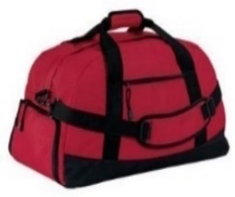

 | Duffle Bag
 | Price | Qty | Total
Bag | $35
Name | $3

Name on bag__________________________________________________

